TestSummary
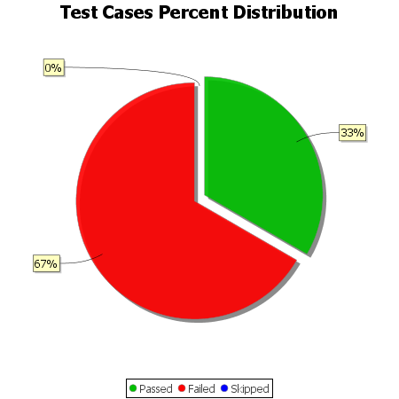
Total Test Cases | 6
Test Cases Passed | 2
Test Cases Failed | 4
Test Cases Skipped | 0

